Sheet1
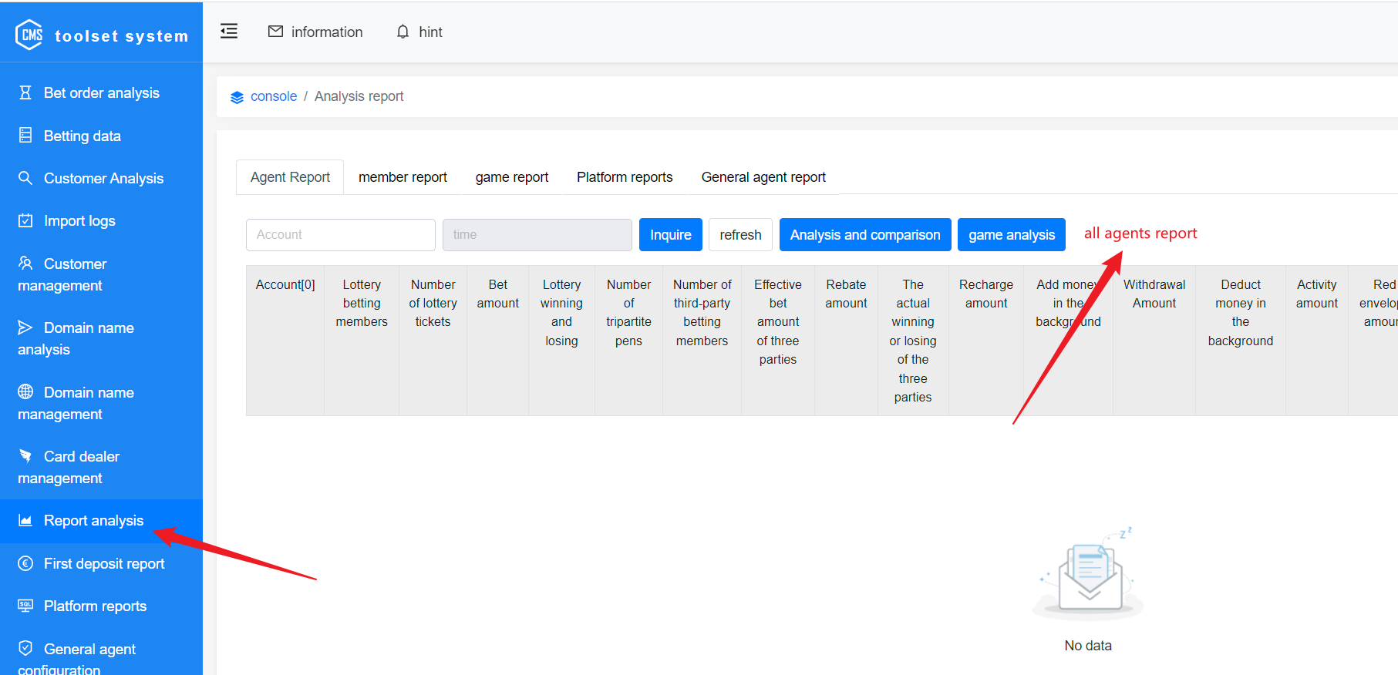

1
Add a full agent analysis button

2
The implemented function is similar to the analysis and comparison function, except that the exported file is changed to include all agents plus a summary table.

